Summary
 |  |  |  | Bank Al-Habib Limited
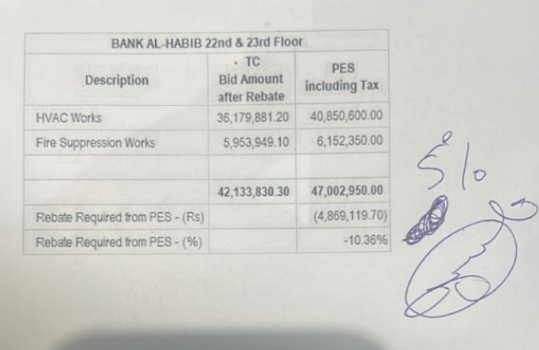

HVAC & Fire Fighting Work |  |  |  | 3-May-24
22nd & 23rd Floor Centerpoint Karachi

SUMMARY OF FINAL BILL

S.No | Description | Material | Labour | Amount
1 | HVAC 22nd Floor | 558,884 | 120,603 | 679,487
2 | HVAC 23rd Floor | 440,749 | 178,774 | 619,523
 | Total Amount HVAC |  |  | 1,299,010

3 | Fire Fighting 22nd Floor | 381,968 | 362,236 | 744,204
4 | Fire Fighting 23rd Floor | 255,230 | 328,735 | 583,965
 | Total Amount Fire Fighting |  |  | 1,328,169

 | Grand Total Amount | 1,636,831 | 990,348 | 2,627,179

 |  |  |  | 40,116,975
 |  |  |  | 36,073,541
 |  |  |  | 4,043,434

 |  | Verified in IPC 1 |  | 35,449,032
 |  | Verified in IPC 2 |  | 6,268,508

 |  |  |  | 41,717,540
 |  |  |  | 36,073,541
 |  |  |  | 5,643,999

